Screen Description
 |  |  | [ros-2018] BASIC DESIGN |  |  | System name |  |  | Screen/Module Name
 |  |  |  |  |  | Golden Bowl |  |  | Admin Login Page |  |  |  |  | Version | 2.000
 |  |  |  |  |  |  |  |  |  |  |  |  |  | Create Date | 2018-07-29 | Created By | Oplas, Andrew
 |  |  |  |  |  |  |  |  |  |  |  |  |  | Update Date | 2018-10-17 | Updated by | Oplas, Andrew

Screen Description |  |  |  |  |  |  |  |  |  |  |  |  |  | Purpose

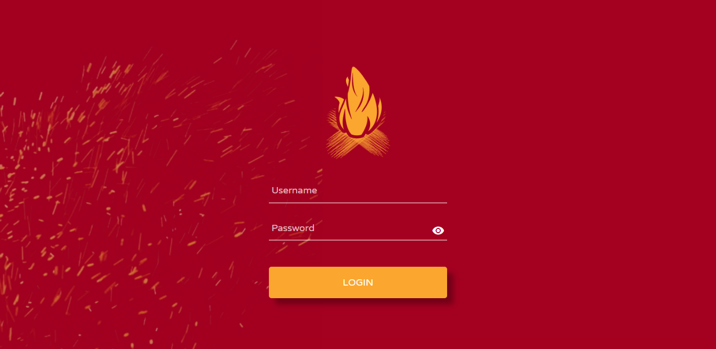
 |  |  |  |  |  |  |  |  |  |  |  |  |  | The main purpose of this screen is as the portal for our admin side of the system.This is the entry point of the admin pages whichh is exlusive for administrator only.

 |  |  |  |  |  |  |  |  |  |  |  |  |  | Flow

 |  |  |  |  |  |  |  |  |  |  |  |  |  | After logging in, the admin will be redirected to the admin dashboard.

1
2
3
4
5
6

Screen Details

 | Item | Screen Item |  | Attribute | Mandatory |  | Range of Values | Format |  | Length | Default | Alignment | Remarks
 | 1 | txtUsername |  | TextField | ○ |  | alpha-numeric, special characters | N/A |  | 1 ~ 50 | NULL | Left
 | 2 | txtPassword |  | TextField | ○ |  | alpha-numeric, special characters | N/A |  | 1 ~ 50 | NULL | Left | Password textField must have an option of to view the inputted password

